Board
 Relax, It's Free! [20] |  |  | 220 |  | 220 | 240 | 200 | 260 | 260 | 120 | 280 |  GO TO WC [30]
 |  |  |  | ?
 |  |  | LOUIS VUITTON |  | LOUIS VUITTON | LOUIS VUITTON | MC DONALD'S | CHANEL | CHANEL | HARIBO | CHANEL |  |  |  |  | Players dashboard
 |  |  |  | CHANCE |  |  |  |  |  |  |  |  |  |  |  | Player Name | Money | Position | Properties
200 |  | RALPH LAUREN |  | 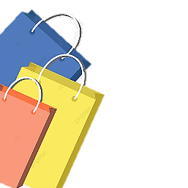 |  |  |  |  |  |  |  |  | VERSACE |  | 300

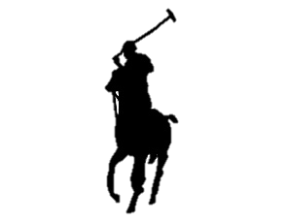 180 |  | RALPH LAUREN |  |  |  |  |  |  |  |  |  |  | VERSACE |  | 300

 | ? | CHANCE |  |  |  |  |  |  |  |  |  | CHANCE |  | ?
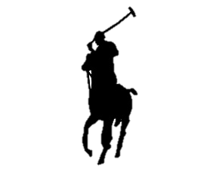 180 |  | RALPH LAUREN |  |  |  |  |  |  |  |  |  |  | VERSACE |  | 320
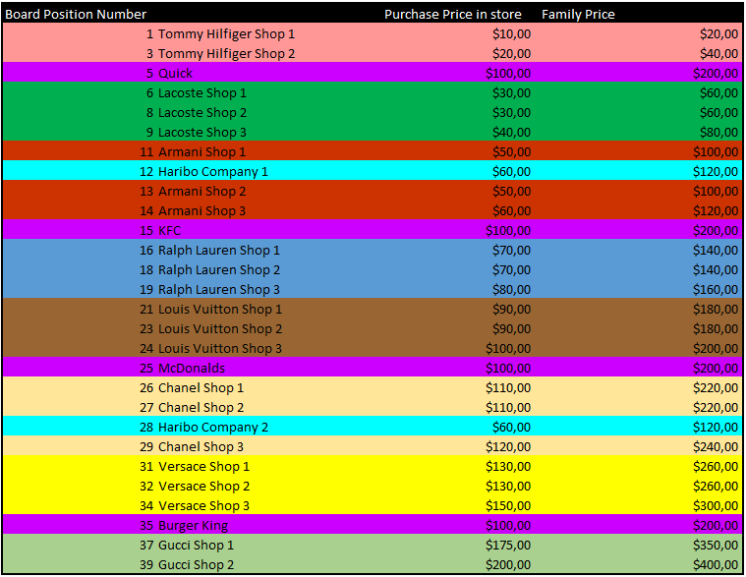
 200 |  | KFC |  |  |  |  |  |  |  |  |  | 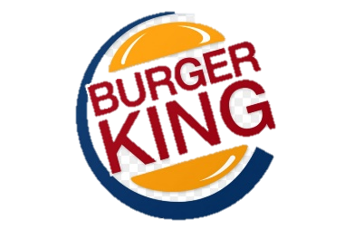 BURGER KING |  |  | 200

160 |  | GIORGIO ARMANI |  |  |  |  |  |  |  |  |  | CHANCE | ?
140 |  | GIORGIO ARMANI |  |  |  |  |  |  |  |  |  |  | GUCCI |  | 350

120 |  | HARIBO |  |  |  |  |  |  |  |  |  | LUXURY TAX | J
140 |  | GIORGIO ARMANI |  |  |  |  |  |  |  |  |  |  | GUCCI |  | 400

JUST |  | WC [10] |  |  | CHANCE |  | Quick | INCOME TAX |  | CHANCE | [1] | Collect $200 as you pass
 |  |  | LACOSTE | LACOSTE | ? | LACOSTE |  |  | TOMMY HILFIGER | ? | TOMMY HILFIGER
VISITING |  |  |  |  |  |  |  | Pay 200$
 |  |  | 120 | 100 |  | 100 | 200 |  | 60 |  | 60

